Revisi 1
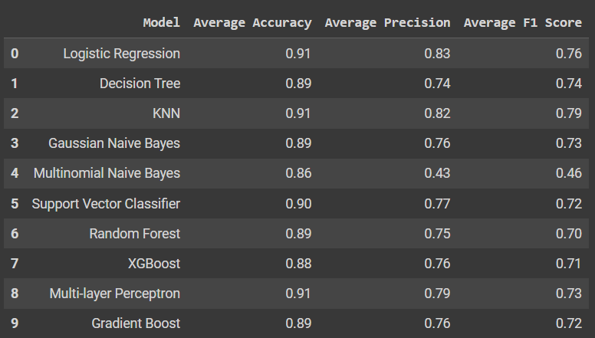
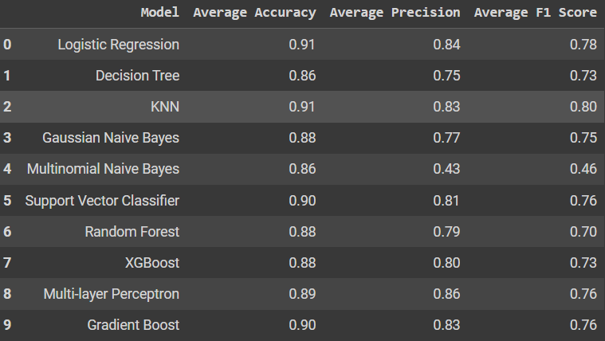
Outliers - No Resampling |  | Handling Outliers - No Resampling
 |  |  |  |  | Keterangan |  | Akurasi
 |  |  |  |  | O | Outliers | Model | O - NR | HO - NR | O - A R | O - RM R | O - S R | O - SC R | HO - A R | HO - RM R | HO - S R | HO - SC R
 |  |  |  |  | HO | Handling Outliers | LR | 0.91 | 0.91 | 0.93 | 0.89 | 0.95 | 0.96 | 0.93 | 0.89 | 0.95 | 0.96
 |  |  |  |  | R | Resampling | DT | 0.89 | 0.86 | 0.94 | 0.95 | 0.93 | 0.94 | 0.94 | 0.95 | 0.93 | 0.94
 |  |  |  |  | NR | No Resampling | KNN | 0.91 | 0.91 | 0.93 | 0.93 | 0.95 | 0.96 | 0.94 | 0.93 | 0.95 | 0.96
 |  |  |  |  | A | Adasyn | GNB | 0.89 | 0.88 | 0.87 | 0.86 | 0.89 | 0.9 | 0.89 | 0.86 | 0.98 | 0.9
 |  |  |  |  | RM | Random | MNB | 0.86 | 0.86 | 0.82 | 0.74 | 0.76 | 0.84 | 0.82 | 0.74 | 0.76 | 0.84
 |  |  |  |  | S | Smote | SVC | 0.9 | 0.9 | 0.94 | 0.95 | 0.95 | 0.95 | 0.93 | 0.95 | 0.95 | 0.95
 |  |  |  |  | SC | Smotenc | RF | 0.89 | 0.88 | 0.95 | 0.95 | 0.94 | 0.94 | 0.95 | 0.95 | 0.94 | 0.94
 |  |  |  |  |  |  | XGB | 0.88 | 0.88 | 0.94 | 0.95 | 0.94 | 0.94 | 0.94 | 0.95 | 0.94 | 0.94
 |  |  |  |  |  |  | MLP | 0.91 | 0.89 | 0.94 | 0.95 | 0.95 | 0.95 | 0.94 | 0.95 | 0.95 | 0.95
 |  |  |  |  |  |  | GB | 0.89 | 0.9 | 0.94 | 0.96 | 0.95 | 0.95 | 0.94 | 0.96 | 0.95 | 0.95

 |  |  |  |  |  |  | Precision
 |  |  |  |  |  |  | Model | O - NR | HO - NR | O - A R | O - RM R | O - S R | O - SC R | HO - A R | HO - RM R | HO - S R | HO - SC R
 |  |  |  |  |  |  | LR | 0.83 | 0.84 | 0.93 | 0.89 | 0.95 | 0.96 | 0.93 | 0.89 | 0.95 | 0.96
 |  |  |  |  |  |  | DT | 0.74 | 0.75 | 0.94 | 0.96 | 0.93 | 0.94 | 0.95 | 0.96 | 0.93 | 0.94
 |  |  |  |  |  |  | KNN | 0.82 | 0.83 | 0.93 | 0.94 | 0.95 | 0.96 | 0.95 | 0.94 | 0.95 | 0.96
 |  |  |  |  |  |  | GNB | 0.76 | 0.77 | 0.88 | 0.86 | 0.9 | 0.91 | 0.9 | 0.86 | 0.9 | 0.91
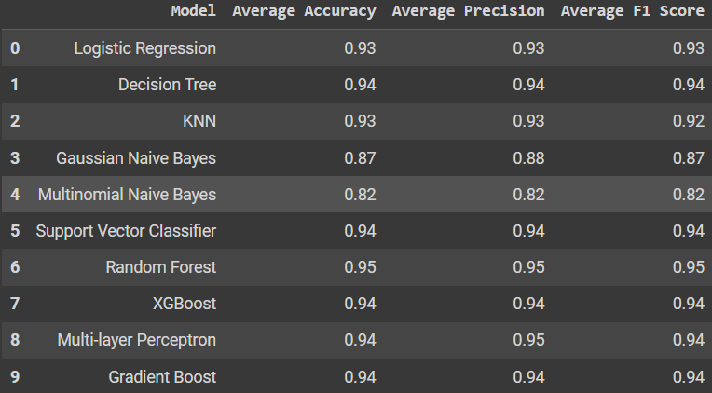
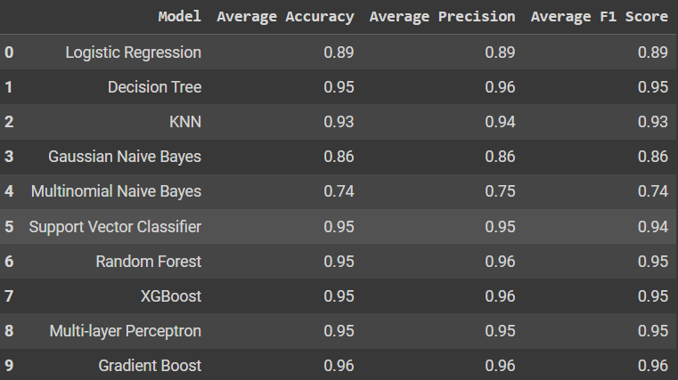
Outliers - Adasyn Resampling | Outliers - Random Resampling |  | Outliers - Smote Resampling | Outliers - Smotenc Resampling |  |  | MNB | 0.43 | 0.43 | 0.82 | 0.75 | 0.77 | 0.84 | 0.83 | 0.75 | 0.77 | 0.84
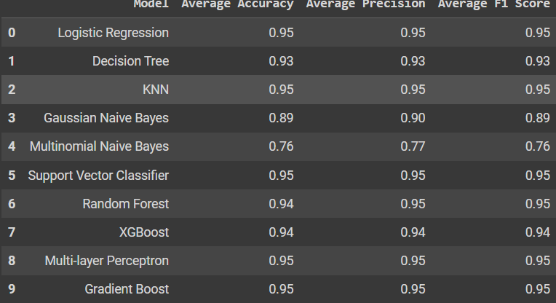

 |  |  |  |  |  |  | SVC | 0.77 | 0.81 | 0.94 | 0.95 | 0.95 | 0.95 | 0.94 | 0.95 | 0.95 | 0.95
 |  |  |  |  |  |  | RF | 0.75 | 0.79 | 0.95 | 0.96 | 0.95 | 0.94 | 0.94 | 0.96 | 0.95 | 0.94
 |  |  |  |  |  |  | XGB | 0.76 | 0.8 | 0.94 | 0.96 | 0.94 | 0.94 | 0.94 | 0.96 | 0.94 | 0.94
 |  |  |  |  |  |  | MLP | 0.79 | 0.86 | 0.95 | 0.95 | 0.95 | 0.96 | 0.94 | 0.95 | 0.95 | 0.96
 |  |  |  |  |  |  | GB | 0.76 | 0.83 | 0.94 | 0.96 | 0.95 | 0.95 | 0.95 | 0.96 | 0.95 | 0.95

 |  |  |  |  |  |  | F1 Score
 |  |  |  |  |  |  | Model | O - NR | HO - NR | O - A R | O - RM R | O - S R | O - SC R | HO - A R | HO - RM R | HO - S R | HO - SC R
 |  |  |  |  |  |  | LR | 0.76 | 0.78 | 0.93 | 0.89 | 0.95 | 0.96 | 0.93 | 0.89 | 0.95 | 0.96
 |  |  |  |  |  |  | DT | 0.74 | 0.73 | 0.94 | 0.95 | 0.93 | 0.94 | 0.94 | 0.95 | 0.93 | 0.94
 |  |  |  |  |  |  | KNN | 0.79 | 0.8 | 0.92 | 0.93 | 0.89 | 0.95 | 0.94 | 0.93 | 0.95 | 0.95
 |  |  |  |  |  |  | GNB | 0.73 | 0.75 | 0.87 | 0.86 | 0.89 | 0.9 | 0.89 | 0.86 | 0.89 | 0.9
 |  |  |  |  |  |  | MNB | 0.46 | 0.46 | 0.82 | 0.74 | 0.76 | 0.83 | 0.82 | 0.74 | 0.76 | 0.83
 |  |  |  |  |  |  | SVC | 0.72 | 0.76 | 0.94 | 0.94 | 0.95 | 0.95 | 0.93 | 0.94 | 0.95 | 0.95
 |  |  |  |  |  |  | RF | 0.7 | 0.7 | 0.95 | 0.95 | 0.95 | 0.93 | 0.94 | 0.95 | 0.95 | 0.93
Handling Outliers - Adasyn Resampling | Handling Outliers - Random Resampling |  | Handling Outliers - Smote Resampling | Handling Outliers - Semotenc Resampling |  |  | XGB | 0.71 | 0.73 | 0.94 | 0.95 | 0.94 | 0.94 | 0.94 | 0.95 | 0.94 | 0.94
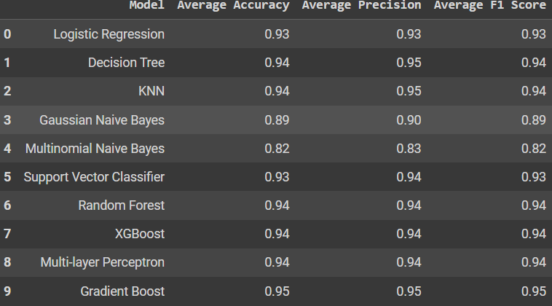
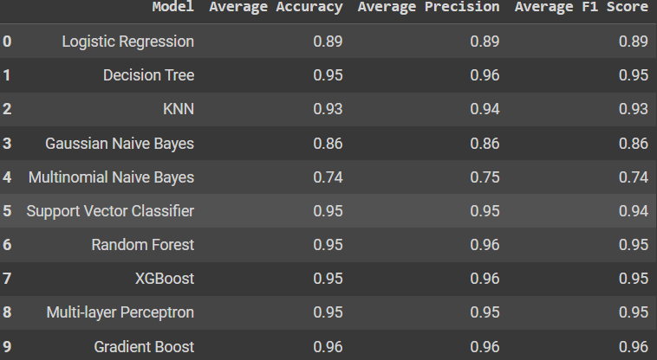
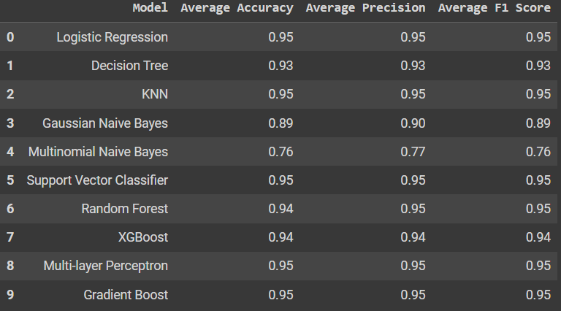
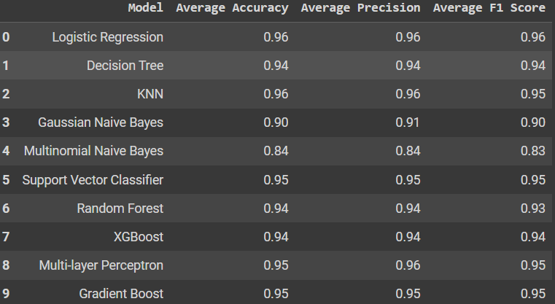
 |  |  |  |  |  |  | MLP | 0.73 | 0.76 | 0.94 | 0.95 | 0.95 | 0.95 | 0.94 | 0.95 | 0.95 | 0.95
 |  |  |  |  |  |  | GB | 0.72 | 0.76 | 0.94 | 0.96 | 0.95 | 0.95 | 0.95 | 0.96 | 0.95 | 0.95

Revisi Terakhir
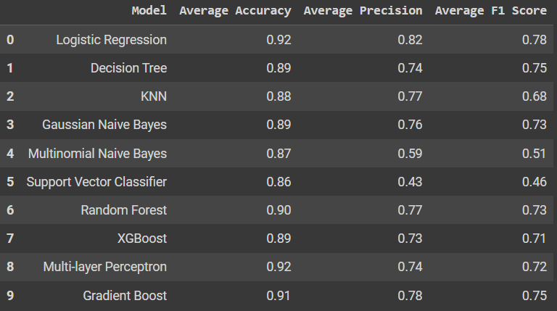
No Preprocessing
 | Keterangan
 | O | Outliers
 | HO | Handling Outliers
 | R | Resampling
 | NR | No Resampling
 | A | Adasyn
 | RM | Random
 | S | Smote
 | SC | Smotenc
 | FS | Feature Selection
 | NP | No Preprocessing

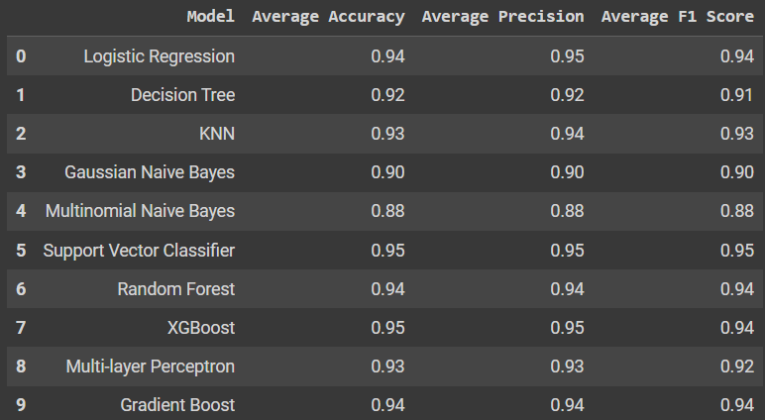

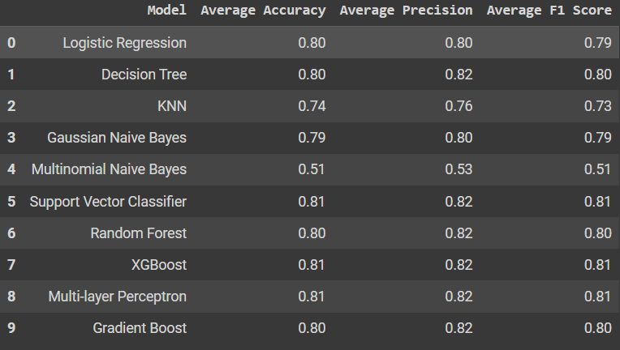
 |  |  |  | F1-Score
FS (15) - HO - A R | FS (20) - HO - A R |  | FS (25) - HO - A R | MODEL | FS - HO - A R |  |  | FS - HO - RM R |  |  | FS - HO - S R |  |  | FR - HO - SC R
 |  |  |  |  | 15 | 20 | 25 | 15 | 20 | 25 | 15 | 20 | 25 | 15
 |  |  |  | LR | 0.94 | 0.84 | 0.79 | 0.9 | 0.85 | 0.78 | 0.95 | 0.88 | 0.87 | 0.95
 |  |  |  | DT | 0.91 | 0.87 | 0.8 | 0.95 | 0.87 | 0.79 | 0.91 | 0.9 | 0.87 | 0.91
 |  |  |  | KNN | 0.93 | 0.72 | 0.73 | 0.94 | 0.75 | 0.69 | 0.93 | 0.68 | 0.76 | 0.95
 |  |  |  | GNB | 0.9 | 0.83 | 0.79 | 0.86 | 0.86 | 0.79 | 0.9 | 0.89 | 0.87 | 0.92
 |  |  |  | MNB | 0.88 | 0.54 | 0.51 | 0.81 | 0.57 | 0.56 | 0.88 | 0.65 | 0.59 | 0.91
 |  |  |  | SVC | 0.95 | 0.88 | 0.81 | 0.9 | 0.87 | 0.79 | 0.95 | 0.89 | 0.87 | 0.95
 |  |  |  | RF | 0.94 | 0.87 | 0.8 | 97 | 0.87 | 0.79 | 0.93 | 0.9 | 0.87 | 0.94
 |  |  |  | XGB | 0.94 | 0.88 | 0.81 | 0.94 | 0.86 | 0.79 | 0.94 | 0.89 | 0.87 | 0.94
 |  |  |  | MLP | 0.92 | 0.86 | 0.81 | 0.94 | 0.84 | 0.78 | 0.94 | 0.88 | 0.87 | 0.94
 |  |  |  | GB | 0.94 | 0.87 | 0.8 | 0.95 | 0.87 | 0.79 | 0.94 | 0.89 | 0.87 | 0.94

 |  |  |  | PRESISI
 |  |  |  | MODEL | FS - HO - A R |  |  | FS - HO - RM R |  |  | FS - HO - S R |  |  | FR - HO - SC R
 |  |  |  |  | 15 | 20 | 25 | 15 | 20 | 25 | 15 | 20 | 25 | 15
 |  |  |  | LR | 0.95 | 0.85 | 0.8 | 0.9 | 0.85 | 0.79 | 0.95 | 0.88 | 0.88 | 0.95


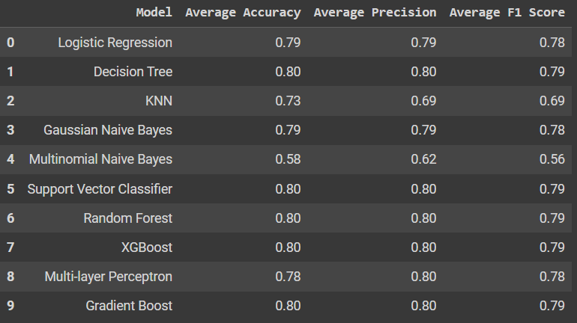
FS (15) - HO - RM R | FS (20) - HO - RM R |  | FS (25) - HO - RM R | DT | 0.92 | 0.88 | 0.82 | 0.95 | 0.88 | 0.8 | 0.92 | 0.91 | 0.88 | 0.91
 |  |  |  | KNN | 0.94 | 0.79 | 0.76 | 0.95 | 0.78 | 0.69 | 0.93 | 0.76 | 0.75 | 0.95
 |  |  |  | GNB | 0.9 | 0.84 | 0.8 | 0.86 | 0.86 | 0.79 | 0.91 | 0.9 | 0.88 | 0.93
 |  |  |  | MNB | 0.88 | 0.58 | 0.53 | 0.81 | 0.59 | 0.62 | 0.89 | 0.69 | 0.64 | 0.91
 |  |  |  | SVC | 0.95 | 0.88 | 0.82 | 0.9 | 0.88 | 0.8 | 0.95 | 0.9 | 0.88 | 0.95
 |  |  |  | RF | 0.94 | 0.88 | 0.82 | 0.97 | 0.87 | 0.8 | 0.94 | 0.9 | 0.88 | 0.95
 |  |  |  | XGB | 0.95 | 0.88 | 0.82 | 0.95 | 0.87 | 0.8 | 0.94 | 0.9 | 0.88 | 0.94
 |  |  |  | MLP | 0.93 | 0.87 | 0.82 | 0.95 | 0.85 | 0.8 | 0.94 | 0.89 | 0.88 | 0.94
 |  |  |  | GB | 0.94 | 0.88 | 0.82 | 0.95 | 0.87 | 0.8 | 0.94 | 0.88 | 0.88 | 0.94

 |  |  |  | AKURASI
 |  |  |  | MODEL | FS - HO - A R |  |  | FS - HO - RM R |  |  | FS - HO - S R |  |  | FR - HO - SC R
 |  |  |  |  | 15 | 20 | 25 | 15 | 20 | 25 | 15 | 20 | 25 | 15
 |  |  |  | LR | 0.4 | 0.85 | 0.8 | 0.9 | 0.85 | 0.79 | 0.95 | 0.88 | 0.87 | 0.95
 |  |  |  | DT | 0.92 | 0.88 | 0.8 | 0.95 | 0.87 | 0.8 | 0.91 | 0.9 | 0.87 | 0.91
 |  |  |  | KNN | 0.93 | 0.75 | 0.74 | 0.94 | 0.76 | 0.73 | 0.93 | 0.71 | 0.78 | 0.95
 |  |  |  | GNB | 0.9 | 0.84 | 0.79 | 0.86 | 0.86 | 0.79 | 0.9 | 0.89 | 0.87 | 0.93
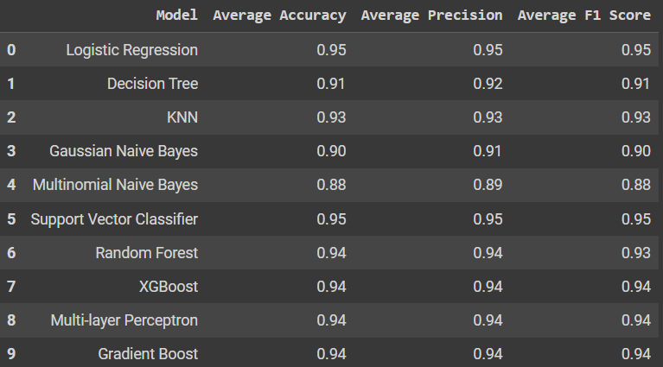
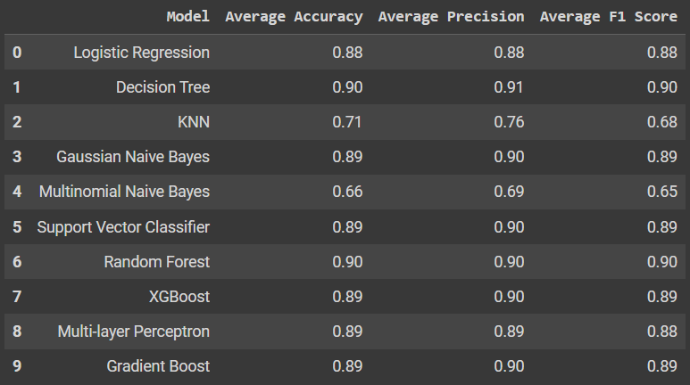
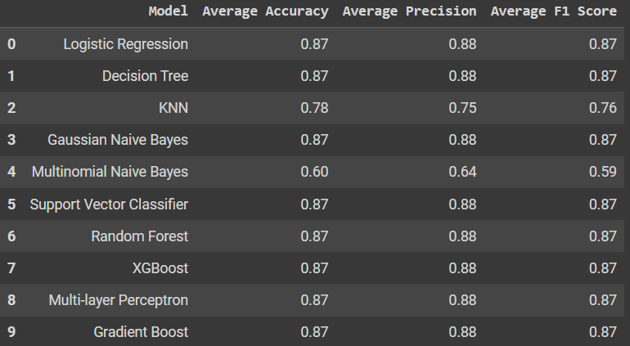
FS (15) - HO - S R | FS (20) - HO - S R |  | FS (25) - HO - S R | MNB | 0.88 | 0.57 | 0.51 | 0.81 | 0.57 | 0.58 | 0.88 | 0.66 | 0.6 | 0.91
 |  |  |  | SVC | 0.95 | 0.88 | 0.81 | 0.9 | 0.87 | 0.8 | 0.95 | 0.89 | 0.87 | 0.95
 |  |  |  | RF | 0.94 | 0.88 | 0.8 | 0.96 | 0.87 | 0.8 | 0.94 | 0.9 | 0.87 | 0.95
 |  |  |  | XGB | 0.95 | 0.88 | 0.81 | 0.94 | 0.86 | 0.8 | 0.94 | 0.89 | 0.87 | 0.94
 |  |  |  | MLP | 0.93 | 0.87 | 0.81 | 0.93 | 0.85 | 0.78 | 0.94 | 0.89 | 0.87 | 0.94
 |  |  |  | GB | 0.94 | 0.88 | 0.8 | 0.95 | 0.87 | 0.8 | 0.94 | 0.89 | 0.87 | 0.94

 |  |  |  | F1-Score
 |  |  |  | MODEL | FS - O - A R |  |  | FS - O - RM R |  |  | FS - O - S R |  |  | FR - O - SC R
 |  |  |  |  | 15 | 20 | 25 | 15 | 20 | 25 | 15 | 20 | 25 | 15
 |  |  |  | LR | 0.94 | 0.88 | 0.86 | 0.9 | 0.85 | 0.84 | 0.94 | 0.88 | 0.86
 |  |  |  | DT | 0.92 | 0.89 | 0.87 | 0.93 | 0.86 | 0.83 | 0.94 | 0.9 | 0.89
 |  |  |  | KNN | 0.93 | 0.82 | 0.74 | 0.92 | 0.75 | 0.73 | 0.94 | 0.71 | 0.7
 |  |  |  | GNB | 0.89 | 0.84 | 0.83 | 0.86 | 0.85 | 0.83 | 0.91 | 0.88 | 0.84
 |  |  |  | MNB | 0.77 | 0.52 | 0.5 | 0.66 | 0.53 | 0.52 | 0.71 | 0.63 | 0.62
 |  |  |  | SVC | 0.94 | 0.89 | 0.86 | 0.94 | 0.86 | 0.82 | 0.79 | 0.9 | 0.86
 |  |  |  | RF | 0.93 | 0.89 | 0.87 | 0.94 | 0.86 | 0.83 | 0.95 | 0.9 | 0.87
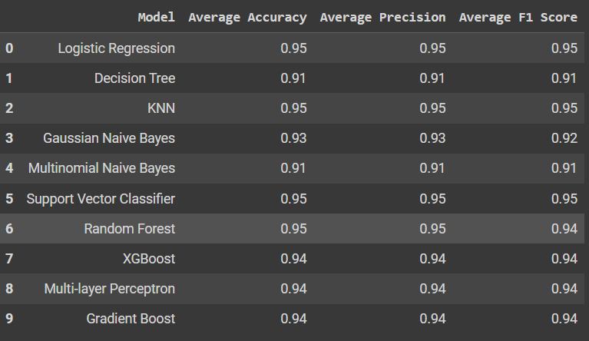
FS (15) - HO - SC R |  |  |  | XGB | 0.93 | 0.89 | 0.86 | 0.94 | 0.85 | 0.82 | 0.94 | 0.9 | 0.87
 |  |  |  | MLP | 0.95 | 0.89 | 0.85 | 0.93 | 0.84 | 0.84 | 0.94 | 0.9 | 0.85
 |  |  |  | GB | 0.94 | 0.89 | 0.86 | 0.94 | 0.86 | 0.82 | 0.94 | 0.9 | 0.87

 | Keterangan
 | Tidak ada untuk 20 dan 25 karena Fitur AGE sudah hilang akibat korelasinya kecil |  |  | PRESISI
 |  |  |  | MODEL | FS - O - A R |  |  | FS - O - RM R |  |  | FS - O - S R |  |  | FR - O - SC R
 |  |  |  |  | 15 | 20 | 25 | 15 | 20 | 25 | 15 | 20 | 25 | 15
 |  |  |  | LR | 0.94 | 0.89 | 0.86 | 0.9 | 0.85 | 0.84 | 0.94 | 0.88 | 0.87
 |  |  |  | DT | 0.92 | 0.9 | 0.88 | 0.94 | 0.87 | 0.84 | 0.94 | 0.91 | 0.9
 |  |  |  | KNN | 0.93 | 0.83 | 0.78 | 0.92 | 0.79 | 0.79 | 0.94 | 0.77 | 0.78
 |  |  |  | GNB | 0.89 | 0.86 | 0.84 | 0.86 | 0.86 | 0.84 | 0.92 | 0.89 | 0.85
 |  |  |  | MNB | 0.79 | 0.57 | 0.53 | 0.68 | 0.56 | 0.54 | 0.79 | 0.67 | 0.67
 |  |  |  | SVC | 0.94 | 0.9 | 0.87 | 0.94 | 0.86 | 0.83 | 0.95 | 0.91 | 0.87
 |  |  |  | RF | 0.93 | 0.9 | 0.87 | 0.95 | 0.86 | 0.84 | 0.95 | 0.91 | 0.89
 |  |  |  | XGB | 0.93 | 0.9 | 0.87 | 0.95 | 0.86 | 0.83 | 0.94 | 0.9 | 0.89
 |  |  |  | MLP | 0.94 | 0.89 | 0.87 | 0.93 | 0.85 | 0.84 | 0.94 | 0.9 | 0.87
 |  |  |  | GB | 0.94 | 0.90 | 0.87 | 0.94 | 0.86 | 0.83 | 0.94 | 0.9 | 0.89

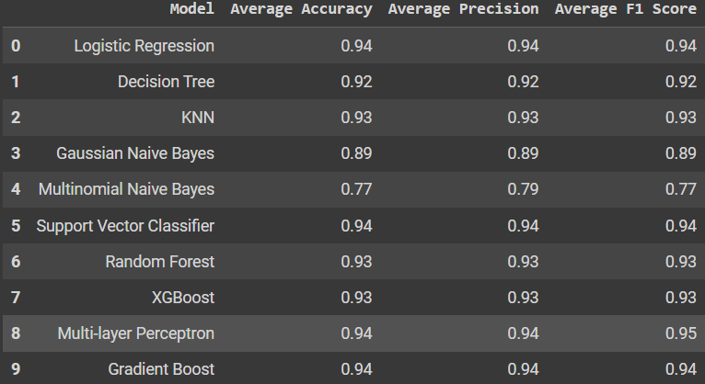
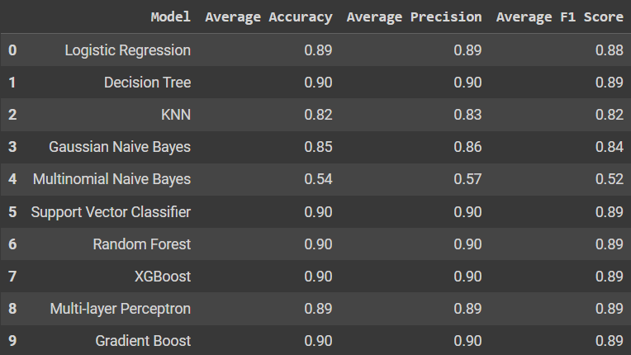
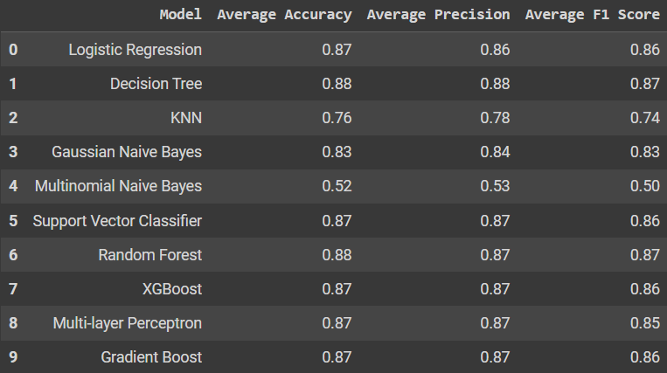
FS (15) - O - A R | FS (20) - O - A R |  | FS (25) - O - A R
 |  |  |  | AKURASI
 |  |  |  | MODEL | FS - O - A R |  |  | FS - O - RM R |  |  | FS - O - S R |  |  | FR - O - SC R
 |  |  |  |  | 15 | 20 | 25 | 15 | 20 | 25 | 15 | 20 | 25 | 15
 |  |  |  | LR | 0.94 | 0.89 | 0.87 | 0.9 | 0.85 | 0.84 | 0.94 | 0.88 | 0.86
 |  |  |  | DT | 0.92 | 0.9 | 0.88 | 0.93 | 0.86 | 0.84 | 0.94 | 0.91 | 0.89
 |  |  |  | KNN | 0.93 | 0.82 | 0.76 | 0.92 | 0.76 | 0.75 | 0.94 | 0.74 | 0.73
 |  |  |  | GNB | 0.89 | 0.85 | 0.83 | 0.87 | 0.86 | 0.83 | 0.92 | 0.89 | 0.85
 |  |  |  | MNB | 0.77 | 0.54 | 0.52 | 0.67 | 0.53 | 0.52 | 0.79 | 0.64 | 0.64
 |  |  |  | SVC | 0.94 | 0.9 | 0.87 | 0.94 | 0.86 | 0.83 | 0.95 | 0.9 | 0.86
 |  |  |  | RF | 0.93 | 0.9 | 0.88 | 0.94 | 0.86 | 0.83 | 0.94 | 0.91 | 0.89
 |  |  |  | XGB | 0.93 | 0.9 | 0.87 | 0.94 | 0.85 | 0.83 | 0.94 | 0.9 | 0.88
 |  |  |  | MLP | 0.94 | 0.89 | 0.87 | 0.93 | 0.84 | 0.84 | 0.95 | 0.9 | 0.86
 |  |  |  | GB | 0.94 | 0.90 | 0.87 | 0.94 | 0.86 | 0.82 | 0.94 | 0.9 | 0.88

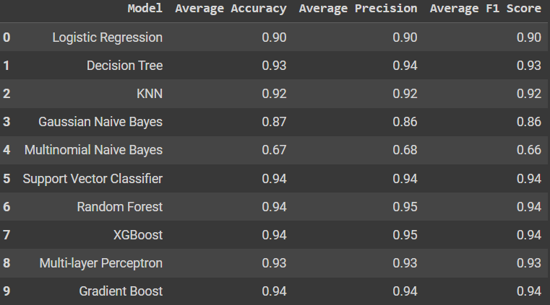
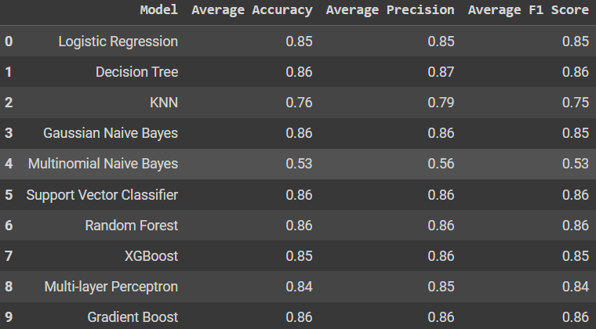
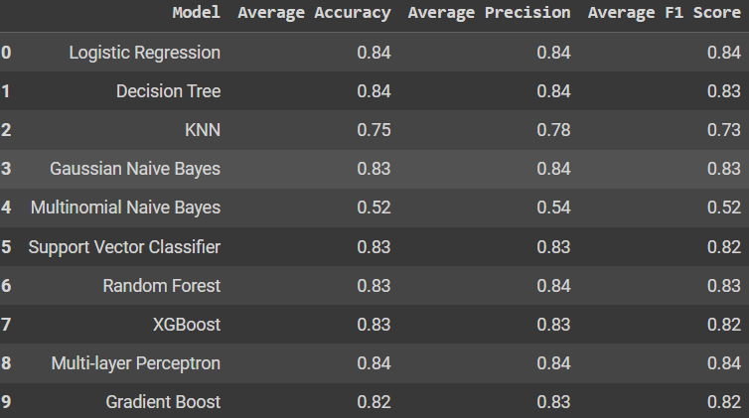
FS (15) - O - RM R | FS (20) - O - RM R |  | FS (25) - O - RM R

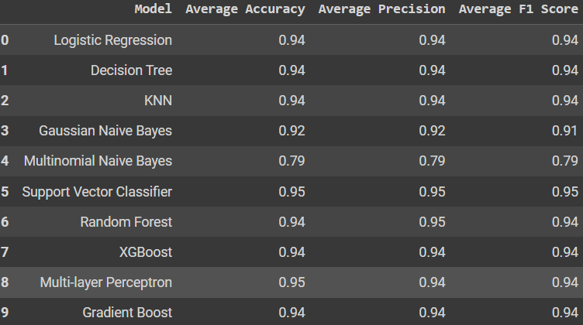
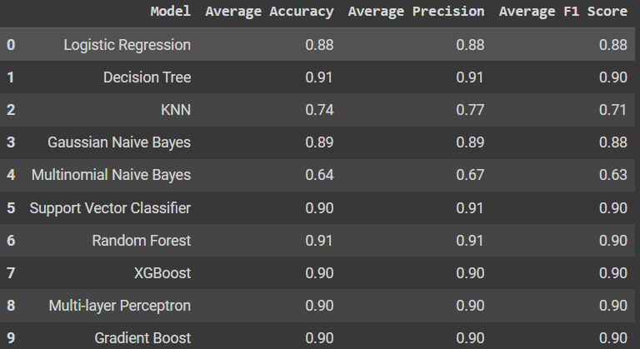
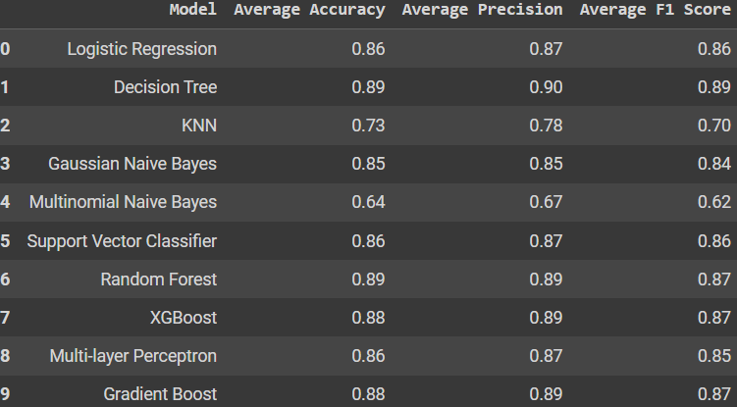
FS (15) - O - S R | FS (20) - O - S R |  | FS (25) - O - S R

Keterangan
Smotenc tidak bisa digunakan, karena ketika di seleksi fitur, Fitur AGE tidak memenuhi korelasi jadi di hapus. (Tidak ada lagi data contious)

